DWR Portfolio
Year | SWP | Colorado | Groundwater | Imports | LocalSupplies
2002 | 1533.5 | 1309.3 | 1897.6 | 218.4 | 144.9
2003 | 1712.9 | 756.6 | 1542.7 | 207.3 | 122
2004 | 1836.2 | 1098.5 | 1476.3 | 202.6 | 100.8
2005 | 1528.5 | 771.7 | 1237.6 | 339.8 | 189.2
2006 | 1469.7 | 806.7 | 1739.9 | 365.8 | 231.3
2007 | 1596.4 | 1079.4 | 1802.4 | 185.8 | 141.3
2008 | 1269.2 | 1254.4 | 1697.1 | 138.2 | 201.6
2009 | 985.7 | 1216.4 | 1744.5 | 98.8 | 179.9
2010 | 826.9 | 987.8 | 1408.2 | 241.6 | 220.3
2011 | 900.7 | 955.8 | 1351 | 324.9 | 214.3
2012 | 1170.4 | 902.2 | 1484.1 | 200.1 | 236.5
2013 | 1060.8 | 1304.1 | 1824.2 | 74.5 | 196.5
2014 | 642.9 | 1730.3 | 1986.1 | 51.5 | 168
2015 | 456.4 | 1573.2 | 1462.3 | 35.2 | 164
2016 | 917.3 | 1186.6 | 1331 | 96.1 | 90.4
2018 | 1042.9 | 917.1 | 1579.3 | 284.2 | 107.6
2019 | 921.5 | 775.4 | 1414.9 | 309.3 | 170.7
2020 | 1039.6 | 834.7 | 1362.1 | 245 | 173.6

Comparison
B135 MWD vs MWD
DWR vs B135 WY
1456192 | 1533.5
1752712 | 1712.9
1864821 | 1836.2
1696722.75 | 1528.5
1629843.75 | 1469.7
1624985.25 | 1596.4
1146269 | 1269.2
1017344 | 985.7
1419916.25 | 826.9
1726712.25 | 900.7
1507291.5 | 1170.4
1102413 | 1060.8
571328 | 642.9
582297.5 | 456.4
1060199 | 917.3
1668529.25
1044529.75 | 1042.9
MWD vs SWDI Delta CY
0.10555555556 | 625000
0.1 | 744000
0.63333333333 | 663000
0.24444444444 | 845000
0.88888888889 | 451000
0.76666666667 | 663000
0.63055555556 | 724000
0.94722222222 | 521000
0.76388888889 | 792000
0.62777777778 | 1473000
0.38333333333 | 1119000
0.46388888889 | 1415000
0.61111111111 | 1561000
0.51388888889 | 1802000
0.81111111111 | 1525000
0.89722222222 | 1695000
0.38055555556 | 1648000
0.23611111111 | 1037000
0.23055555556 | 908000
0.57777777778 | 1129000
0.93055555556 | 1379000
0.48611111111 | 1252000
0.31388888889 | 974000
0.072222222222 | 607000
0.058333333333 | 593000
0.3 | 1009000
0.85833333333 | 1473000
0.46111111111 | 845000
0.79444444444 | 1232000
0.41111111111 | 588000
0.11111111111
0.15555555556
B135 vs SWDI Delta CY
 | B135 South Coast | DWR | MWD | B135 MWD | SWDI-delta | SWDI-delta | SWDI-SC new | SWDI-SC original |  | B132 SC CY | B132 WY | DWR |  | INDICATORS | INDICATORS
1962 | 0 |  |  | 0 | CY | WY | CY | CY | 1962 | 0 | converting to WY (X*9+(X-1)*3) |  |  | 1991 - present | 1991 - present
1963 | 0 |  |  | 0 |  |  |  |  | 1963 | 0
1964 | 0 |  |  | 0 |  |  |  |  | 1964 | 0
SWDI SC adjusting for diamond valley vs not (new)
1965 | 0 |  |  | 0 |  |  |  |  | 1965 | 0
1966 | 0 |  |  | 0 |  |  |  |  | 1966 | 0
1967 | 0 |  |  | 0 |  |  |  |  | 1967 | 0
1968 | 7382 |  |  | 0 |  |  |  |  | 1968 | 7382
1969 | 9970 |  |  | 0 |  |  |  |  | 1969 | 9970
1970 | 11739 |  |  | 0 |  |  |  |  | 1970 | 11739
1971 | 12490 |  |  | 0 |  |  |  |  | 1971 | 12490
1972 | 87118 |  |  | 71938 |  |  |  |  | 1972 | 87118 | 68461
1973 | 201727 |  |  | 159883 |  |  |  |  | 1973 | 201727 | 173074.75
1974 | 304634 |  |  | 277717 |  |  |  |  | 1974 | 304634 | 278907.25
1975 | 556506 |  |  | 526491 |  |  |  |  | 1975 | 556506 | 493538
DWR vs MWD
1976 | 648495 |  | 638000 | 618451 |  |  |  |  | 1976 | 648495 | 625497.75
1977 | 228659 |  | 209000 | 189755 |  |  |  |  | 1977 | 228659 | 333618
1978 | 530753 |  | 576000 | 507565 |  |  |  |  | 1978 | 530753 | 455229.5 |  |  | 2000 - present | 2000 - present
MWD vs SWDI Delta CY
0.62777777778 | 1473000
0.38333333333 | 1119000
0.46388888889 | 1415000
0.61111111111 | 1561000
0.51388888889 | 1802000
0.81111111111 | 1525000
0.89722222222 | 1695000
0.38055555556 | 1648000
0.23611111111 | 1037000
0.23055555556 | 908000
0.57777777778 | 1129000
0.93055555556 | 1379000
0.48611111111 | 1252000
0.31388888889 | 974000
0.072222222222 | 607000
0.058333333333 | 593000
0.3 | 1009000
0.85833333333 | 1473000
0.46111111111 | 845000
0.79444444444 | 1232000
0.41111111111 | 588000
0.11111111111
0.15555555556
B135 SC vs SWDI Delta CY
1979 | 496527 |  | 532000 | 477074 |  |  |  |  | 1979 | 496527 | 505083.5
1980 | 547904 |  | 560000 | 531727 |  |  |  |  | 1980 | 547904 | 535059.75
1981 | 833947 |  | 827000 | 795846 |  |  |  |  | 1981 | 833947 | 762436.25
1982 | 734416 |  | 737000 | 691192 |  |  |  |  | 1982 | 734416 | 759298.75
1983 | 372384 |  | 410000 | 343521 |  |  |  |  | 1983 | 372384 | 462892
1984 | 495012 |  | 498000 | 457582 |  |  |  |  | 1984 | 495012 | 464355
1985 | 720543 |  | 728000 | 683625 |  |  |  |  | 1985 | 720543 | 664160.25
1986 | 751944 |  | 756000 | 708840 |  |  |  |  | 1986 | 751944 | 744093.75
1987 | 769793 |  | 763000 | 712424 |  |  |  |  | 1987 | 769793 | 765330.75
1988 | 963336 |  | 957000 | 902564 |  |  |  |  | 1988 | 963336 | 914950.25
1989 | 1226683 |  | 1215000 | 1156698 |  |  |  |  | 1989 | 1226683 | 1160846.25
1990 | 1465318 |  | 1458000 | 1396423 |  |  |  |  | 1990 | 1465318 | 1405659.25
DWR vs B135 SC
1991 | 406057 |  | 625000 | 391447 | 0.10555555556 | 0.092592592593 | 0.275 | 0.091666666667 | 1991 | 406057 | 670872.25
1992 | 742278 |  | 744000 | 710313 | 0.1 | 0.11944444444 | 0.43333333333 | 0.13055555556 | 1992 | 742278 | 658222.75
1993 | 693987 |  | 663000 | 652190 | 0.63333333333 | 0.48333333333 | 0.89166666667 | 0.41944444444 | 1993 | 693987 | 706059.75
1994 | 858672 |  | 845000 | 807866 | 0.24444444444 | 0.34722222222 | 0.66666666667 | 0.25277777778 | 1994 | 858672 | 817500.75 |  |  | 2008 - present | 2008 - present
MWD vs SWDI Delta CY
0.23611111111 | 1037000
0.23055555556 | 908000
0.57777777778 | 1129000
0.93055555556 | 1379000
0.48611111111 | 1252000
0.31388888889 | 974000
0.072222222222 | 607000
0.058333333333 | 593000
0.3 | 1009000
0.85833333333 | 1473000
0.46111111111 | 845000
0.79444444444 | 1232000
0.41111111111 | 588000
0.11111111111
0.15555555556
B135 SC vs SWDI Delta CY
1995 | 476893 |  | 451000 | 436042 | 0.88888888889 | 0.73055555556 | 0.88333333333 | 0.4 | 1995 | 476893 | 572337.75
1996 | 647933 |  | 663000 | 593380 | 0.76666666667 | 0.775 | 0.75 | 0.29166666667 | 1996 | 647933 | 605173
1997 | 779201 |  | 724000 | 721810 | 0.63055555556 | 0.70555555556 | 0.5 | 0.16111111111 | 1997 | 779201 | 746384
1998 | 443196 |  | 521000 | 410065 | 0.94722222222 | 0.83611111111 | 0.85 | 0.37777777778 | 1998 | 443196 | 527197.25
1999 | 921969 |  | 792000 | 852617 | 0.76388888889 | 0.83611111111 | 0.63055555556 | 0.23888888889 | 1999 | 921969 | 802275.75
2000 | 1600681 |  | 1473000 | 1522412 | 0.62777777778 | 0.64166666667 | 0.13611111111 | 0.31944444444 | 2000 | 1600681 | 1431003
2001 | 1085806 |  | 1119000 | 1023169 | 0.38333333333 | 0.44444444444 | 0.38333333333 | 0.61111111111 | 2001 | 1085806 | 1214524.75
2002 | 1579654 | 1533.5 | 1415000 | 1408919 | 0.46388888889 | 0.46944444444 | 0.5 | 0.70833333333 | 2002 | 1579654 | 1456192 | 1533.5 | 1533500
2003 | 1810398 | 1712.9 | 1561000 | 1701615 | 0.61111111111 | 0.54722222222 | 0.46944444444 | 0.68333333333 | 2003 | 1810398 | 1752712 | 1712.9 | 1712900
2004 | 1882962 | 1836.2 | 1802000 | 1724380 | 0.51388888889 | 0.55833333333 | 0.31388888889 | 0.575 | 2004 | 1882962 | 1864821 | 1836.2 | 1836200
2005 | 1634643 | 1528.5 | 1525000 | 1528045 | 0.81111111111 | 0.70833333333 | 0.90555555556 | 0.97222222222 | 2005 | 1634643 | 1696722.75 | 1528.5 | 1528500
2006 | 1628244 | 1469.7 | 1695000 | 1512186 | 0.89722222222 | 0.88888888889 | 0.86388888889 | 0.94444444444 | 2006 | 1628244 | 1629843.75 | 1469.7 | 1469700
2007 | 1623899 | 1596.4 | 1648000 | 1499688 | 0.38055555556 | 0.53611111111 | 0.60833333333 | 0.78888888889 | 2007 | 1623899 | 1624985.25 | 1596.4 | 1596400
2008 | 987059 | 1269.2 | 1037000 | 898313 | 0.23611111111 | 0.26944444444 | 0.41666666667 | 0.66111111111 | 2008 | 987059 | 1146269 | 1269.2 | 1269200
2009 | 1027439 | 985.7 | 908000 | 930871 | 0.23055555556 | 0.20555555556 | 0.14444444444 | 0.35277777778 | 2009 | 1027439 | 1017344 | 985.7 | 985700
2010 | 1550742 | 826.9 | 1129000 | 1420331 | 0.57777777778 | 0.46944444444 | 0.275 | 0.50277777778 | 2010 | 1550742 | 1419916.25 | 826.9 | 826900 | 2000 - 2015 | 2000 - 2015
MWD vs SWDI Delta CY
B135 SC vs SWDI Delta CY
2011 | 1785369 | 900.7 | 1379000 | 1686570 | 0.93055555556 | 0.86944444444 | 0.87222222222 | 0.95277777778 | 2011 | 1785369 | 1726712.25 | 900.7 | 900700
2012 | 1414599 | 1170.4 | 1252000 | 1224907 | 0.48611111111 | 0.59722222222 | 0.725 | 0.84722222222 | 2012 | 1414599 | 1507291.5 | 1170.4 | 1170400
2013 | 998351 | 1060.8 | 974000 | 892550 | 0.31388888889 | 0.38333333333 | 0.31666666667 | 0.56666666667 | 2013 | 998351 | 1102413 | 1060.8 | 1060800
2014 | 428987 | 642.9 | 607000 | 387392 | 0.072222222222 | 0.10555555556 | 0.12777777778 | 0.23055555556 | 2014 | 428987 | 571328 | 642.9 | 642900
2015 | 633401 | 456.4 | 593000 | 573526 | 0.058333333333 | 0.063888888889 | 0.044444444444 | 0.072222222222 | 2015 | 633401 | 582297.5 | 456.4 | 456400
2016 | 1202465 | 917.3 | 1009000 | 1083900 | 0.3 | 0.22222222222 | 0.10277777778 | 0.23611111111 | 2016 | 1202465 | 1060199 | 917.3 | 917300
2017 | 1823884 |  | 1473000 | 1626357 | 0.85833333333 | 0.75555555556 | 0.50833333333 | 0.71944444444 | 2017 | 1823884 | 1668529.25
2018 | 784745 | 1042.9 | 845000 | 679545 | 0.46111111111 | 0.52777777778 | 0.43611111111 | 0.66944444444 | 2018 | 784745 | 1044529.75 | 1042.9 | 1042900
2019 | 1516728 | 921.5 | 1232000 | 1347162 | 0.79444444444 | 0.725 | 0.74166666667 | 0.86666666667 | 2019 | 1516728 | 1333732.25 | 921.5 | 921500
2020 | 520693 | 1039.6 | 588000 | 431759 | 0.41111111111 | 0.50833333333 | 0.72777777778 | 0.85555555556 | 2020 | 520693 |  | 1039.6 | 1039600
 | B132 SC CY | DWR
2002 | 1579654 | 1533500
2003 | 1810398 | 1712900
2004 | 1882962 | 1836200
2005 | 1634643 | 1528500
2006 | 1628244 | 1469700
2007 | 1623899 | 1596400
2008 | 987059 | 1269200
2009 | 1027439 | 985700
2010 | 1550742 | 826900
2011 | 1785369 | 900700
2012 | 1414599 | 1170400
2013 | 998351 | 1060800
2014 | 428987 | 642900
2015 | 633401 | 456400
2016 | 1202465 | 917300
2017 | 1823884
2018 | 784745 | 1042900
2019 | 1516728 | 921500
2020 | 520693 | 1039600
2021 | 478756 |  |  | 409650 | 0.11111111111 | 0.18055555556 | 0.26388888889 | 0.5 |  | 478756
2022 | 484106 |  |  | 424702 | 0.15555555556 | 0.13888888889 | 0.11111111111 | 0.28611111111 |  | 484106
2023 |  |  |  |  | 0.85 | 0.69722222222 | 0.58333333333 | 0.73611111111
2024 |  |  |  |  | 0.52222222222 | 0.66111111111 | 0.85238095238 | 0.93333333333

 |  |  |  |  |  |  |  |  |  |  |  |  |  | 1991-1999 | 1991-1999
B135 vs SWDI Delta CY
B135 vs SWDI Delta CY

 | B132 WY | DWR
2002 | 1456192 | 1533500
2003 | 1752712 | 1712900
2004 | 1864821 | 1836200
2005 | 1696722.75 | 1528500
2006 | 1629843.75 | 1469700
2007 | 1624985.25 | 1596400
2008 | 1146269 | 1269200
2009 | 1017344 | 985700
2010 | 1419916.25 | 826900
2011 | 1726712.25 | 900700
2012 | 1507291.5 | 1170400
2013 | 1102413 | 1060800
2014 | 571328 | 642900
2015 | 582297.5 | 456400
2016 | 1060199 | 917300
2017 | 1668529.25
2018 | 1044529.75 | 1042900
2019 | 1333732.25 | 921500
2020 |  | 1039600

 |  |  |  |  |  |  |  |  |  |  |  |  |  | 2000-2007 | 2000-2007
B135 vs SWDI Delta CY
B135 vs SWDI Delta CY

1456192 | 1533500
1752712 | 1712900
1864821 | 1836200
1696722.75 | 1528500
1629843.75 | 1469700
1624985.25 | 1596400
1146269 | 1269200
1017344 | 985700
1419916.25 | 826900
1726712.25 | 900700
1507291.5 | 1170400
1102413 | 1060800
571328 | 642900
582297.5 | 456400
1060199 | 917300
1668529.25
1044529.75 | 1042900
1333732.25 | 921500
 | 1039600

Cmprsn B132 Monthly-annual MWD
2010

 |  | Annual b-5b | Monthly
 | 2011 | 1,379,000
 | 2012 | 1,252,000 | 1088432
 | 2013 | 974,000 | 885958
 | 2014 | 607,000 | 372392
 | 2015 | 550,000 | 573526
 | 2016 | 1,009,000 | 1040842
 | 2017 | 1,473,000 | 1446059
 | 2018 | 845,000 | 659652
 | Annual b-5b | Monthly
2011 | 1,379,000
2012 | 1,252,000 | 1088432
2013 | 974,000 | 885958
2014 | 607,000 | 372392
2015 | 550,000 | 573526
2016 | 1,009,000 | 1040842
2017 | 1,473,000 | 1446059
2018 | 845,000 | 659652
2019 | 1,232,000 | 1185086
2020 | 588,000 | 432126
 | 2019 | 1,232,000 | 1185086
 | 2020 | 588,000 | 432126

2012

2013

2014

2015

2016

2017

2018

2019

2020

Cmprsn B132 Monthly-annual all
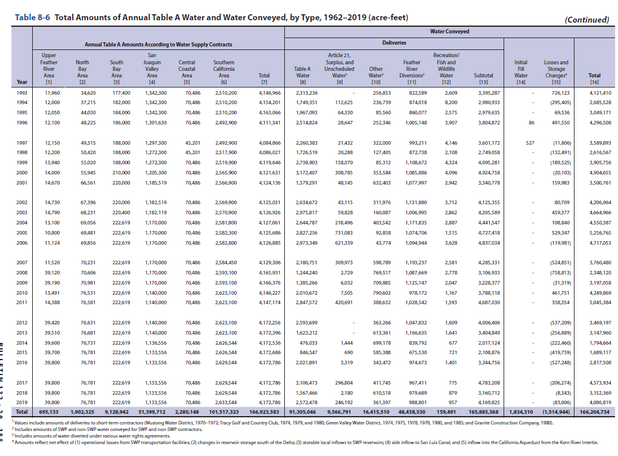

2019

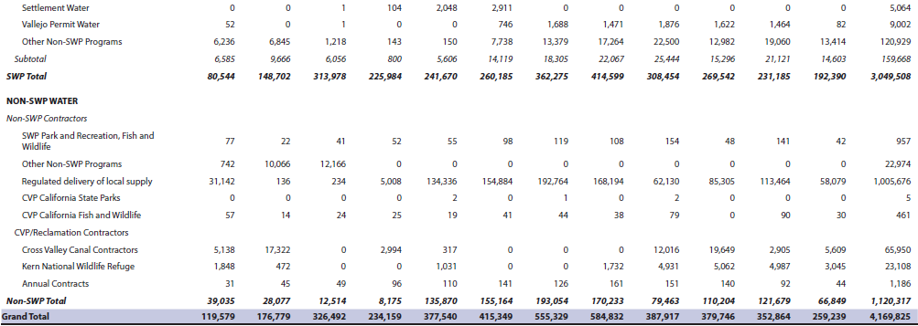

 | Year | SWP | non-SWP Water | Grand Total | Annual b-5b
 | 2010 | 2069164 | 1433822 | 3502986 | 2299338
 | 2011 |  |  |  | 3135009
 | 2012 | 2836231 | 1131222 | 3967453 | 2571986
 | 2013 | 2108416 | 1262584 | 3371000 | 2108814
 | 2014 | 1061146 | 931011 | 1992157 | 1062121
 | SWP | non-SWP Water | Grand Total
2010 | 2069164 | 1433822 | 3502986
2011
2012 | 2836231 | 1131222 | 3967453
2013 | 2108416 | 1262584 | 3371000
2014 | 1061146 | 931011 | 1992157
2015 | 1336889 | 767375 | 2104264
2016 | 2180626 | 1157457 | 3338083
2017 | 3711703 | 1074932 | 4786635
2018 | 1990286 | 1175989 | 3166275
2019 | 3049508 | 1120317 | 4169825
2020 | 1462314 | 1224223 | 2686537
 | 2015 | 1336889 | 767375 | 2104264 | 1329864
 | 2016 | 2180626 | 1157457 | 3338083 | 2127447
 | 2017 | 3711703 | 1074932 | 4786635 | 3345411 | 3,090,824 | -254,587
 | 2018 | 1990286 | 1175989 | 3166275 | 1922676
 | 2019 | 3049508 | 1120317 | 4169825 | 2759461
 | 2020 | 1462314 | 1224223 | 2686537 | 1488170
 | SWP | Annual b-5b
2010 | 2069164 | 2299338
2011 |  | 3135009
2012 | 2836231 | 2571986
2013 | 2108416 | 2108814
2014 | 1061146 | 1062121
2015 | 1336889 | 1329864
2016 | 2180626 | 2127447
2017 | 3711703 | 3345411
2018 | 1990286 | 1922676
2019 | 3049508 | 2759461
2020 | 1462314 | 1488170

